Sheet1
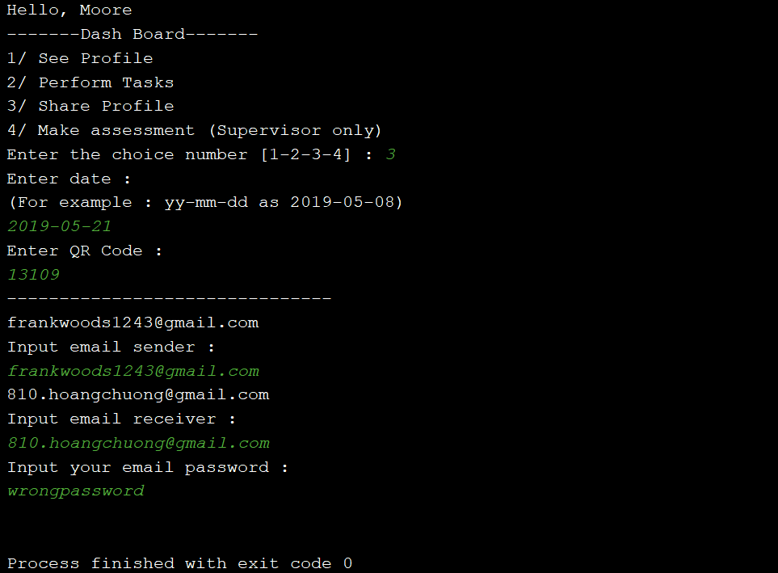
PROJECT NAME |  | App Data Security |  |  | TEST DATA | 1.1 (str) userName : moore | 4.1 (str) emailSender : frankwoods1243@gmail.com
MODULE NAME |  | Profile sharing |  |  |  | 1.2 (str) passwordLogin : 123 | 4.2 (str) emailReceiver : 810.hoangchuong@gmail.com
 |  |  |  |  |  | 2.1 (int) choice : 1 | 4.3 (str) password : <this is my email password so I cant show it>
TEST DESIGNED BY |  | Luu Dieu Co |  |  |  | 3.1 (str) date_search : 2019-05-17
TEST DESIGNED DATE |  | 15/5/2019 |  |  |  | 3.2 (int) inputQrCode : 77558
TEST EXECUTED BY |  | Tran Hoang Chuong
TEST EXECUTED DATE |  | 16/5/2019

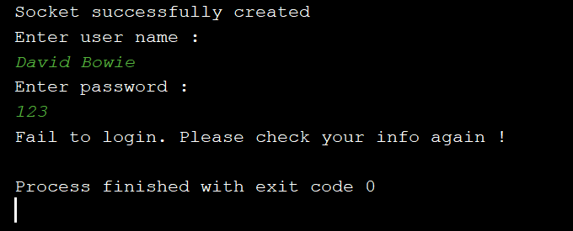
TEST CASE # | TEST CASE TITLE |  |  | TEST CASE DESCRIPTION |  | TEST CASE STEPS | POST CONDITION | STATUS | FAIL CONDITION
#1 | Application login |  |  | Trainee logs in the application by entering their username and password |  | 1.1 Input username | Username and password must be available | OK | Username or password is not exist | TEST CASE #1 - FAIL CONDITION
 |  |  |  |  |  | 1.2 Input password
#2 | Functional addressing |  |  | Trainee chooses the profile sharing function |  | 2.1 Input choice | Choice should be available (from range 1 - 5) | OK | Choice is not correct (lower than 1 or exceeding 5)

#3 | Record searching |  |  | Trainee searches his record by entering the date he created the record and ID record |  | 3.1 Input date | Date and ID record must be correct | OK | Date is not in correct format, ID is not exist
 |  |  |  |  |  | 3.2 Input ID record
#4 | Profile sharing |  |  | Trainee shares his decrypted profile by entering email sender, email receiver and email password |  | 4.1 Input email sender | Email sender, email receiver and email password must be correct | OK | sender, receiver email are not exist, sender email is not correct
 |  |  |  |  |  | 4.2 Input email receiver
 |  |  |  |  |  | 4.3 Input email password

Expected result |  |  | Actual result

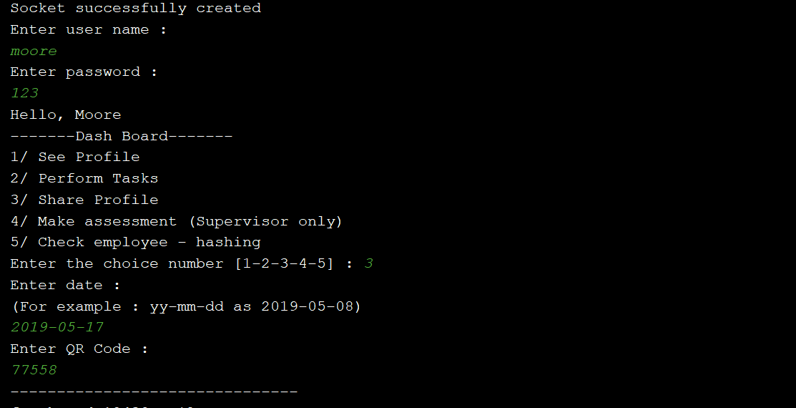
The client interface will print out the line email sent successfully. The decrypted record is sent to receiver inbox section

 |  |  |  |  |  |  |  |  |  | TEST CASE #2 - FAIL CONDITION
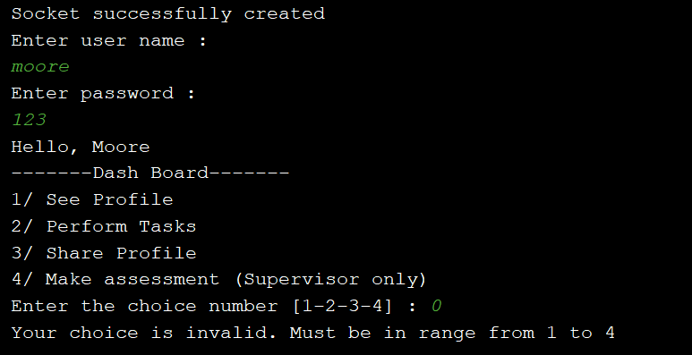

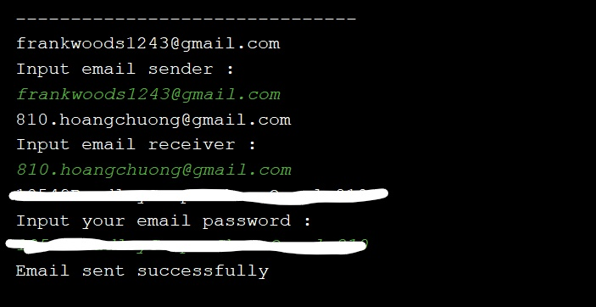

 |  |  |  |  |  |  |  |  |  | TEST CASE #3 - FAIL CONDITION
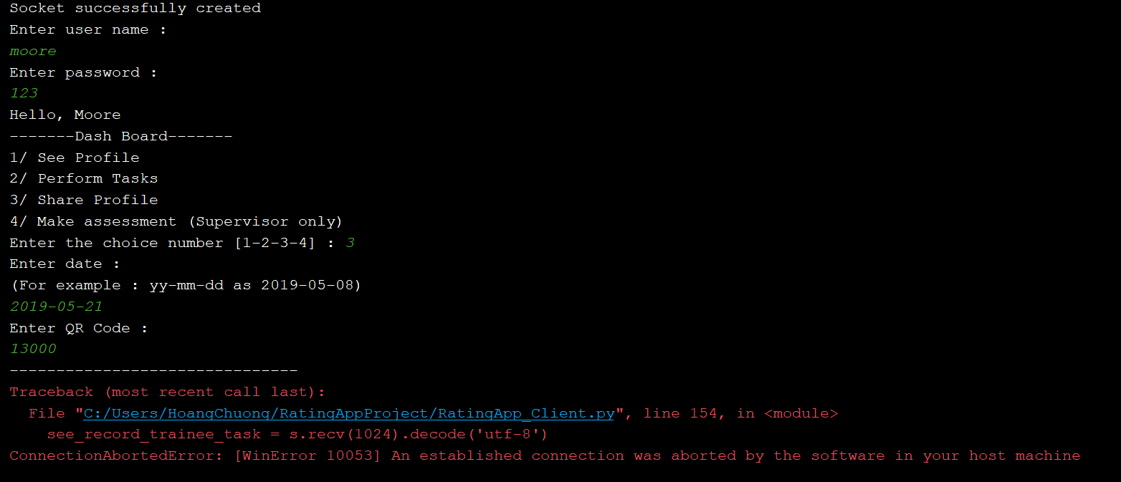

 |  |  |  |  |  |  |  |  |  | TEST CASE #4 - FAIL CONDITION

 |  |  |  |  |  |  |  |  |  | TEST CASE #4 - FAIL CONDITION

